Sheet1
Exhibit C -- Illegal Failure to breakdown expenditures.

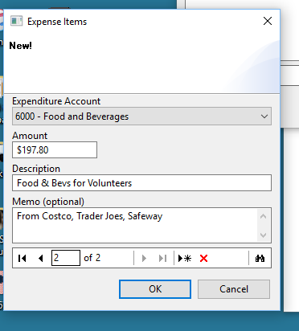
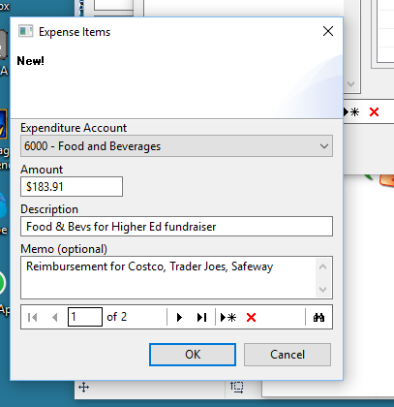
Approximate Cumulative Days Late -- |  | 1693 | As of -- |  | 2017-11-29
Violation # | Vendor | Date | Amount | Description | Violation | Report # | Approx. days late as of today | Notes from Rep. Pollet
1 | 46TH DISTRICT DEMOCRATS | 2016-07-14 | $475.00 | 46TH DISTRICT DEMOCRATS,AD FOR WALK PIECE | Failure to list subvendor, number of items printed. | 100711685 | 491 | The expenditure was an ad (not literature) purchased from the 46th District Democrats. There was no subvendor since this was an agreement between Rep. Pollet's campaign and the district organization.
2 | MILLER JANET | 2016-09-28 | $183.91 | FOOD & BEVS FOR HIGHER ED FUNDRAISER | Failure to list subvendor. | 100728638 | 407 | Subvendors are: Safeway, Trader Joe's, Costoc, and Cougar Gold. These were each entered in the Orca system. See screen shots attached.
3 | MILLER JANET | 2016-09-28 | $197.80 | FOOD & BEVS FOR VOLUNTEERS | Failure to list subvendor. | 100728638 | 491 | Subvendors are: Safeway, Trader Joe's, Costoc, and Cougar Gold. These are each entered in the Orca system. See screen shots attached.
4 | OFFICE DEPOT | 2016-11-28 | $353.73 | PRINTER INK, ENVELOPES, PAPER | Failure to list subvendor. | 100739216 | 352 | There is no subvendor. These were purchased from Office Depot. Office Depot was paid directly.
5 | WINPOWER STRATEGIES | 2016-07-14 | $2,337.12 | WINPOWER STRATEGIES,MAIL PIECE | Failure to list subvendor, number of items printed. | 100711685 | 443 | Rep. Pollet has contracted with WinPower Strategies for deisgn and printing of campaign literature, we do not know details of subvendor. These were not included in the invoice.
6 | WINPOWER STRATEGIES | 2016-07-22 | $965.00 | WALK LIT | Failure to list subvendor, number of items printed. | 100711685 | 491 | Rep. Pollet has contracted with WinPower Strategies for design and printing of campaign literature, we do not know details of subvendor. These were not included in the invoice.

 |  | Total |  | $4,512.56

